3.1
3.1.1: Distribution of households with dependent children by household type among all households, 2021 |  |  |  |  |  |  |  |  |  |  | Extraction date: | 22.06.22
Eurostat, labour force survey EU-LFS, lfst_hhnhtych

 |  | Couple with children | Single adult with children | Other type of household with children | All types of households with children
 | FI | 2.3 | 14.0 | 2.8 | 19.1
 | DE | 2.9 | 13.8 | 3.0 | 19.8
 | SE | 3.9 | 15.4 | 2.0 | 21.2
 | NL | 2.8 | 15.6 | 3.4 | 21.8
 | AT | 2.1 | 15.7 | 4.7 | 22.5
 | LT | 5.6 | 12.1 | 5.2 | 22.9
 | IT | 2.2 | 15.5 | 5.7 | 23.4
 | BG | 2.1 | 11.2 | 10.2 | 23.5
 | EE | 7.0 | 13.5 | 3.4 | 24.0
 | DK | 6.1 | 14.9 | 3.2 | 24.2
 | EU-22 | 3.1 | 15.7 | 5.8 | 24.5
 | HU | 2.4 | 16.1 | 6.7 | 25.1
 | FR | 5.0 | 15.8 | 4.6 | 25.4
 | LV | 6.1 | 11.4 | 8.1 | 25.6
 | SI | 0.8 | 18.0 | 6.9 | 25.7
 | BE | 3.9 | 16.3 | 5.6 | 25.9
 | EL | 0.9 | 18.4 | 6.6 | 25.9
 | CZ | 3.6 | 17.8 | 4.9 | 26.2
 | HR | 0.9 | 13.5 | 12.2 | 26.6 |  |  |  |  |  | DEPP, Education in Europe: Key figures 2022.
 | LU | 2.3 | 18.5 | 6.1 | 26.9
 | MT | 2.2 | 17.3 | 7.7 | 27.2
 | ES | 2.5 | 17.2 | 7.8 | 27.6
 | PL | 2.3 | 17.5 | 9.8 | 29.6
 | RO | 2.1 | 16.0 | 12.3 | 30.4
 | PT | 2.5 | 17.4 | 10.6 | 30.6
 | CY | 3.1 | 21.4 | 6.7 | 31.2
 | SK | 1.6 | 18.7 | 13.1 | 33.5
 | IE | 4.8 | 20.4 | 8.3 | 33.5

3.1.2: Overcrowding rate among households with dependent children, 2020 |  |  |  |  |  |  | Extraction date: | 22.06.22
Eurostat, survey on income and living conditions EU-SILC, ilc_lvho05b

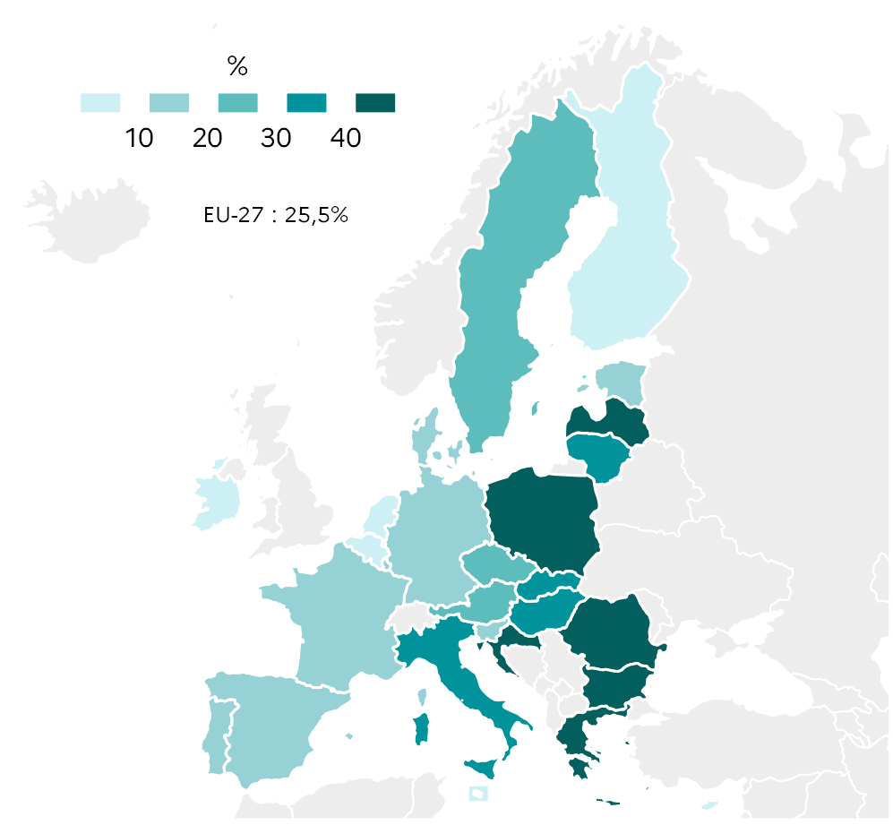
 |  | Total
 | EU-27 | 25.5
 | BE | 8.4
 | BG | 59.1
 | CZ | 22.3
 | DK | 11.0
 | DE | 15.3
 | EE | 19.9
 | IE | 4.7
 | EL | 44.3
 | ES | 12.7
 | FR | 13.8
 | HR | 48.4
 | IT | 39.2
 | CY | 3.5
 | LV | 57.3
 | LT | 31.5
 | LU | 11.1
 | HU | 31.5
 | MT | 7.3
 | NL | 5.6
 | AT | 22.1
 | PL | 47.1
 | PT | 15.0
 | RO | 64.7
 | SI | 15.3
 | SK | 39.2
 | FI | 7.9
 | SE | 20.9 |  |  |  | DEPP, Education in Europe: Key figures 2022.

3.1.3: Proportion of 0-17 year olds having neither a bath nor a shower in their dwelling, 2020 |  |  |  |  |  |  |  |  |  | Extraction date: | 22.06.22
Eurostat, survey on income and living conditions EU-SILC, ilc_mdho02c

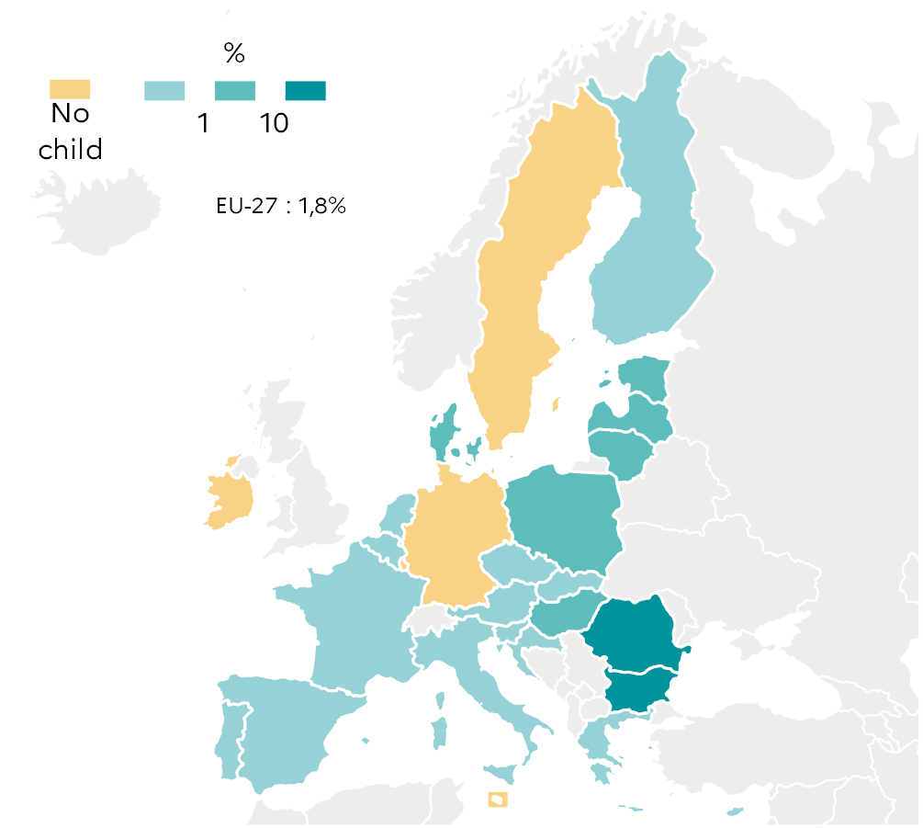
 |  | Total
 | EU-27 | 1.8
 | BE | 0.1
 | BG | 10.2
 | CZ | 0.2
 | DK | 1.8
 | DE | 0.0
 | EE | 1.9
 | IE | 0.0
 | EL | 0.3
 | ES | 0.2
 | FR | 0.5
 | HR | 0.3
 | IT | 0.7
 | CY | 0.1
 | LV | 6.0
 | LT | 5.0
 | LU | 0.0
 | HU | 2.9
 | MT | 0.0
 | NL | 0.1
 | AT | 0.8
 | PL | 1.1
 | PT | 0.2
 | RO | 25.6
 | SI | 0.1
 | SK | 0.9
 | FI | 0.1
 | SE | 0.0 |  |  |  | DEPP, Education in Europe: Key figures 2022.

3.1.4: Distribution of 0-17 year old children by educational attainment level of their parents, 2020 |  |  |  |  |  |  |  | Extraction date: | 22.06.22
Eurostat, survey on income and living conditions EU-SILC, ilc_lvps25

 |  | Parents with an ISCED 0-2 attainment | Parents with an ISCED 5-8 attainment
 | RO | 21.9 | 23.3
 | IT | 23.6 | 31.9
 | HR | 4.0 | 32.8
 | MT | 35.5 | 32.9
 | HU | 15.3 | 35.1
 | BG | 24.2 | 38.5
 | SK | 5.8 | 40.4
 | CZ | 3.3 | 41.3
 | PT | 27.4 | 44.7
 | EL | 13.0 | 44.7
 | DE | 13.6 | 45.1
 | EU-27 | 13.7 | 46.8
 | PL | 2.5 | 48.2
 | LU | 17.8 | 49.4
 | FR | 10.9 | 49.9
 | AT | 7.9 | 51.9
 | SE | 11.4 | 52.7
 | LV | 6.7 | 55.4
 | CY | 9.1 | 56.4 |  |  |  |  |  | DEPP, Education in Europe: Key figures 2022.
 | ES | 22.2 | 56.5
 | BE | 11.0 | 58.3
 | EE | 7.0 | 58.7
 | SI | 2.0 | 59.7
 | LT | 3.9 | 60.8
 | FI | 3.6 | 61.9
 | NL | 7.3 | 62.4
 | DK | 6.2 | 66.4
 | IE | 6.8 | 69.5

3.2
3.2.1: Median income of households with dependent children in PPS equivalents, 2020 |  |  |  |  | Extraction date: | 27.06.22
Eurostat, survey on income and living conditions EU-SILC, ilc_di04

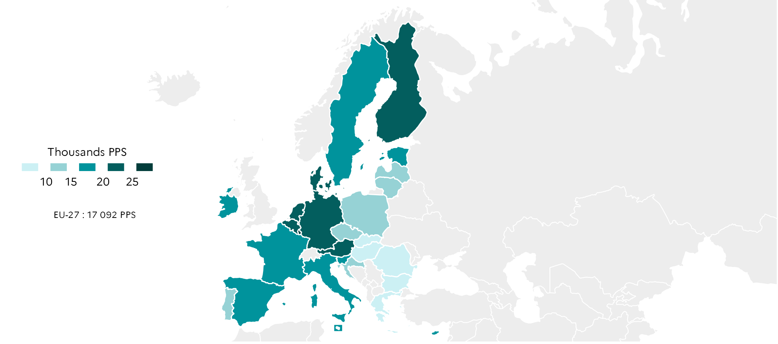
 |  | Median net income
 | EU-27 | 17,092
 | BE | 22,726
 | BG | 8,707
 | CZ | 14,222
 | DK | 22,858
 | DE | 24,171
 | EE | 15,023
 | IE | 18,821
 | EL | 9,408
 | ES | 15,262
 | FR | 18,454
 | HR | 11,329
 | IT | 16,308
 | CY | 18,422
 | LV | 12,187
 | LT | 13,042
 | LU | 25,595
 | HU | 9,495
 | MT | 18,409
 | NL | 22,613
 | AT | 22,091
 | PL | 13,379
 | PT | 12,035
 | RO | 7,324
 | SI | 17,321
 | SK | 9,559
 | FI | 20,830
 | SE | 19,876 |  |  |  |  |  | DEPP, Education in Europe: Key figures 2022.

3.2.2: Proportion of 0-17 year old children living in a jobless household, 2021 |  |  |  |  |  | Extraction date: | 27.06.22
Eurostat, labour force survey EU-LFS, lfsi_jhh_a

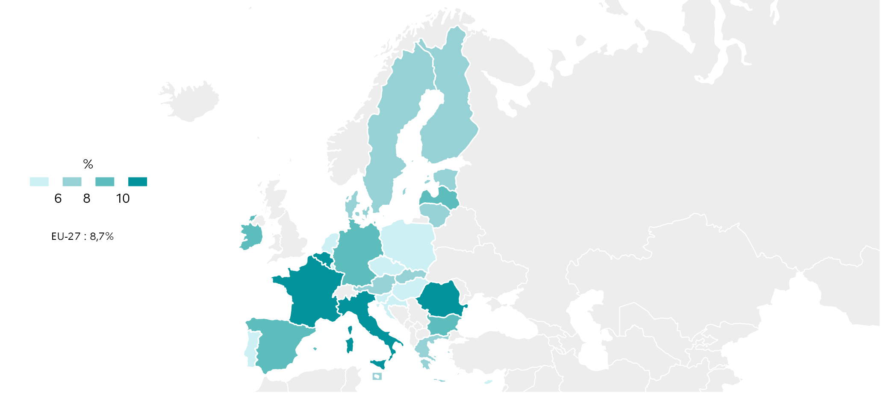
 |  | Total
 | EU-27 | 8.7
 | BE | 10.8
 | BG | 9.4
 | CZ | 5.3
 | DK | 7.7
 | DE | 8.8
 | EE | 7.8
 | IE | 9.0
 | EL | 7.6
 | ES | 8.8
 | FR | 11.0
 | HR | 4.2
 | IT | 10.7
 | CY | 5.6
 | LV | 9.0
 | LT | 7.6
 | LU | 4.7
 | HU | 4.8
 | MT | 7.0
 | NL | 5.1
 | AT | 6.8
 | PL | 5.7
 | PT | 3.5
 | RO | 12.3
 | SI | 1.9
 | SK | 7.5
 | FI | 6.1
 | SE | 8.0 |  |  |  |  |  | DEPP, Education in Europe: Key figures 2022.

3.3.3: 0-17 year olds at risk of poverty or social exclusion by educational attainment level of their parents and 0-17 year olds at risk of poverty or social exclusion, 2020 |  |  |  |  |  |  |  |  | Extraction date: | 27.06.22
Eurostat, survey on income and living conditions EU-SILC, ilc_peps01 et ilc_peps60

 |  | Total population of 0-17 year olds (parents with an ISCED 0-8 attainment level) | Parents with an ISCED 0-2 attainment level at most | Parents with an ISCED 5-8 attainment level
 | RO | 36.3 | 83.9 | 5.5
 | BG | 33.3 | 83.8 | 8.0
 | AT | 22.2 | 83.1 | 14.1
 | SK | 19.2 | 77.8 | 7.3
 | CY | 23.4 | 76.5 | 7.6
 | CZ | 13.0 | 72.5 | 4.7
 | IE | 23.2 | 72.2 | 13.8
 | FI | 15.0 | 72.1 | 7.9
 | BE | 20.3 | 67.0 | 6.6
 | EL | 30.4 | 66.8 | 11.5
 | LT | 23.7 | 63.7 | 12.6
 | ES | 31.1 | 63.4 | 13.5
 | EU-22 | 23.4 | 60.3 | 9.0
 | HR | 20.2 | 59.9 | 6.6
 | SI | 12.2 | 59.3 | 6.2
 | DE | 22.7 | 58.8 | 9.6
 | SE | 20.0 | 58.6 | 10.0
 | LU | 24.2 | 56.7 | 10.0
 | FR | 23.0 | 56.1 | 7.6 |  |  | DEPP, Education in Europe: Key figures 2022.
 | DK | 12.4 | 55.3 | 5.9
 | IT | 28.2 | 54.0 | 9.3
 | NL | 15.8 | 53.1 | 7.9
 | HU | 17.7 | 52.1 | 4.6
 | LV | 20.1 | 47.7 | 7.4
 | MT | 21.8 | 44.9 | 3.2
 | EE | 17.7 | 43.6 | 11.7
 | PL | 15.8 | 42.7 | 6.4
 | PT | 21.6 | 41.8 | 8.2

3.3
3.3.1: Proportion of 15 year old students who agree or strongly agree with the statement "my parents support my educational efforts and achievements"
OECD, PISA 2018, student questionnaire's extraction

 |  | My parents support my educational efforts and achievements
 | BG | 61.4
 | CY | 68.5
 | IT | 72.0
 | SK | 72.9
 | DE | 73.1
 | PL | 77.1
 | NL | 77.2
 | FR | 82.9
 | SE | 84.4
 | EE | 85.0
 | DK | 85.5
 | FI | 86.3
 | PT | 89.6

 |  |  |  |  |  | DEPP, Education in Europe: Key figures 2022.

3.3.2: Students' average reading score according to their statements regarding their parents' support for their educational efforts and achievements
OECD, PISA 2018, student questionnaire's extraction

 |  | Strongly disagree | Disagree | Agree | Strongly agree
 | BG | 366.7 | 394.6 | 429.1 | 457.4
 | CY | 358.4 | 388.1 | 425.5 | 460.8
 | SK | 406.5 | 406.6 | 457.1 | 494.7
 | IT | 421.4 | 455.7 | 478.7 | 501.5
 | FR | 428.6 | 473.3 | 496.8 | 509.3
 | NL | 460.2 | 472.1 | 499.4 | 512.4
 | PT | 423.4 | 464.0 | 475.5 | 512.6
 | DK | 442.6 | 464.7 | 496.8 | 522.1
 | DE | 451.9 | 491.6 | 518.2 | 524.6
 | PL | 478.0 | 502.1 | 516.4 | 526.6
 | SE | 445.3 | 487.1 | 507.9 | 528.3
 | FI | 469.4 | 506.9 | 515.7 | 541.8
 | EE | 460.0 | 496.1 | 519.1 | 546.9

 |  |  |  |  |  |  | DEPP, Education in Europe: Key figures 2022.

3.3.3: Percentage of students’ parents who participated in school-related activities during the previous academic year, based on principals' reports
OECD, PISA 2018, table III.B1.10.1

 |  | Discussed their child’s progress with a teacher on their own initiative | Participated in local school government
 | HU | 31.5 | 8.5
 | IE | 32.0 | 8.2
 | DE | 34.6 | 10.1
 | DK | 34.8 | 9.9
 | CZ | 35.6 | 11.0
 | RO | 36.3 | 27.7
 | BG | 37.7 | 20.3
 | LU | 38.1 | 5.9
 | FR | 38.5 | 10.5
 | EE | 39.1 | 16.7
 | SK | 39.3 | 33.9
 | FI | 40.7 | 7.5
 | OECD | 41.0 | 16.6
 | SE | 42.4 | 10.3
 | LV | 43.1 | 13.2
 | LT | 43.8 | 14.0 |  |  |  | DEPP, Education in Europe: Key figures 2022.
 | PL | 46.1 | 22.1
 | MT | 47.1 | 7.9
 | ES | 50.0 | 20.1
 | HR | 50.0 | 21.2
 | SI | 51.1 | 14.9
 | CY | 58.6 | 17.9
 | IT | 58.9 | 34.0
 | EL | 63.8 | 23.3

3.3.4: Regulation/recommendation related to the involvement of migrant students’ parents in schools from ISCED 1 to ISCED 3 (general and vocational education), 2017-2018
Eurydice, Integrating students from migrant backgrounds into schools in Europe, fig. I.3.10.

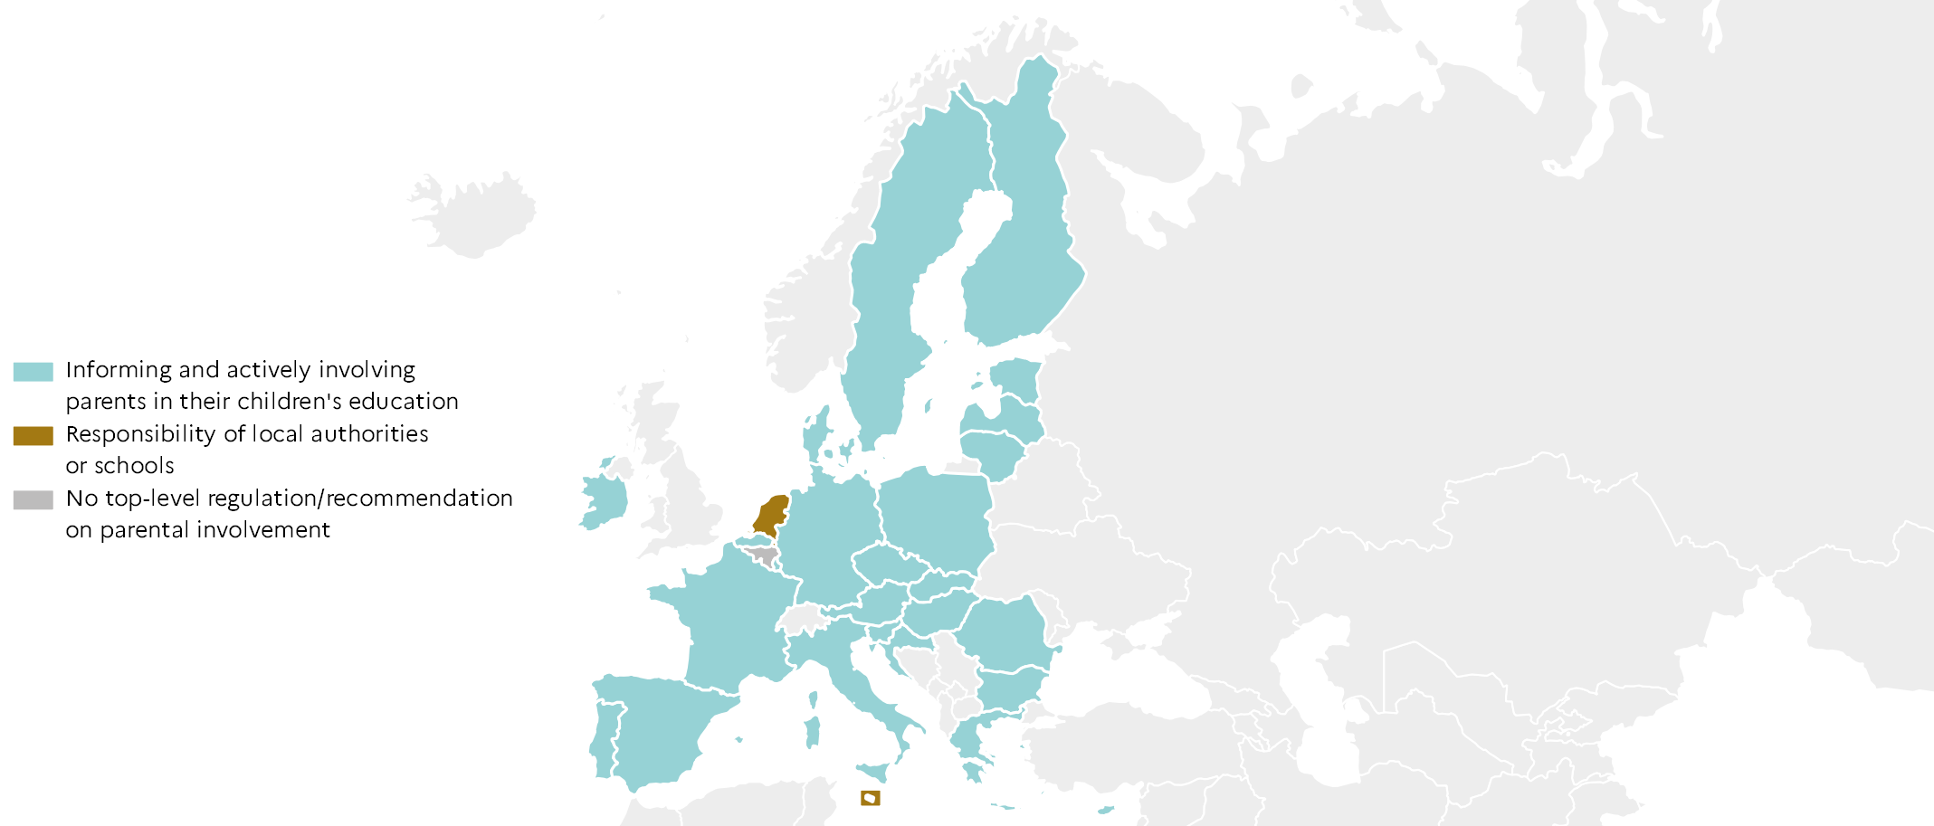
 |  | Type of regulation
 | BE fr | Non
 | BE nl | Informing
 | BG | Informing
 | CZ | Informing
 | DK | Informing
 | DE | Informing
 | EE | Informing
 | IE | Informing
 | EL | Informing
 | ES | Informing
 | FR | Informing
 | HR | Informing
 | IT | Informing
 | CY | Informing
 | LV | Informing
 | LT | Informing
 | LU | Informing
 | HU | Informing
 | MT | Local resp.
 | NL | Local resp.
 | AT | Informing
 | PL | Informing
 | PT | Informing
 | RO | Informing
 | SI | Informing
 | SK | Informing
 | FI | Informing
 | SE | Informing

